Title Page
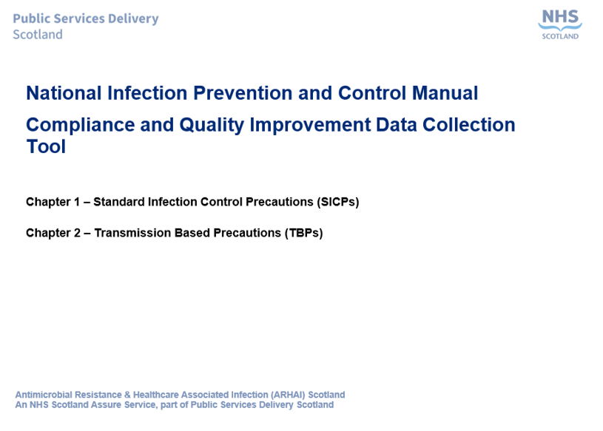

Notes
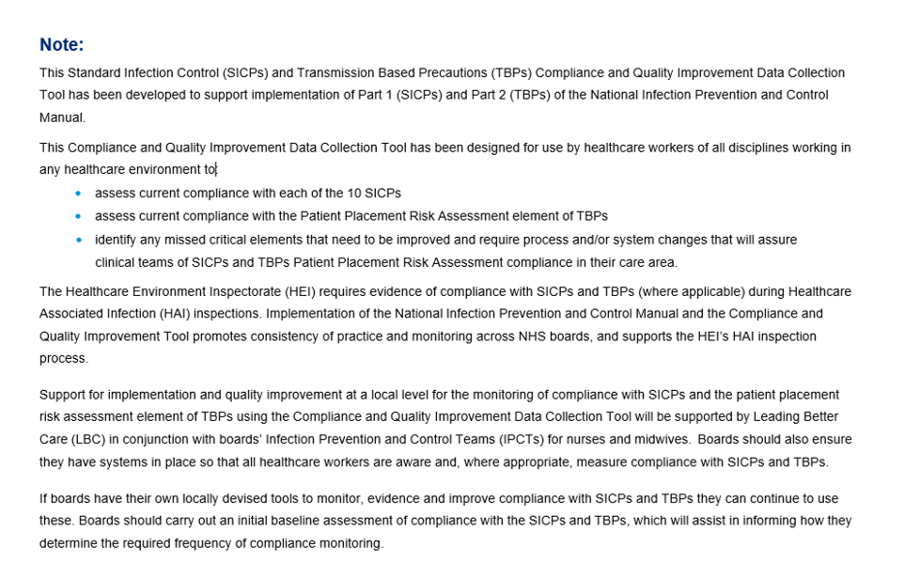

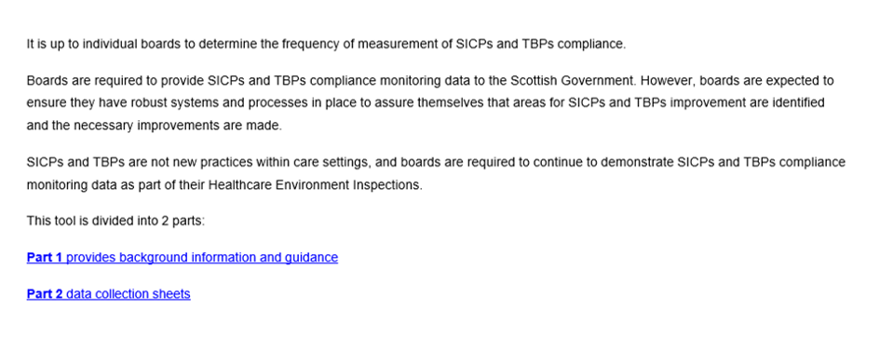

Part 1 Background Information
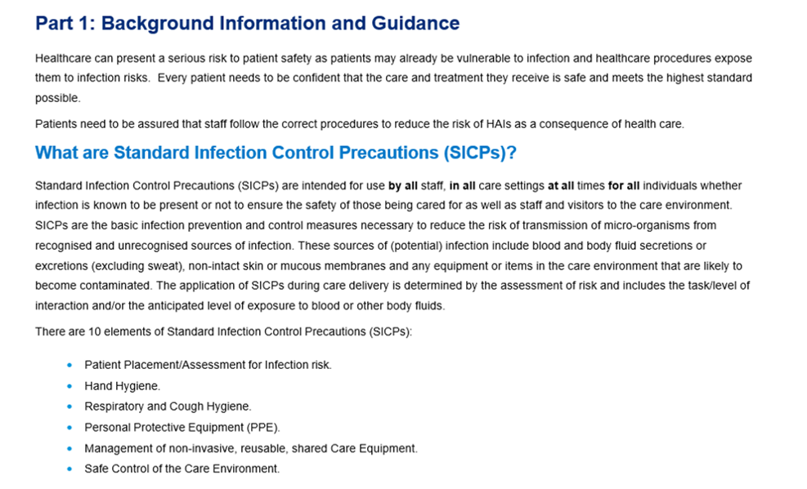

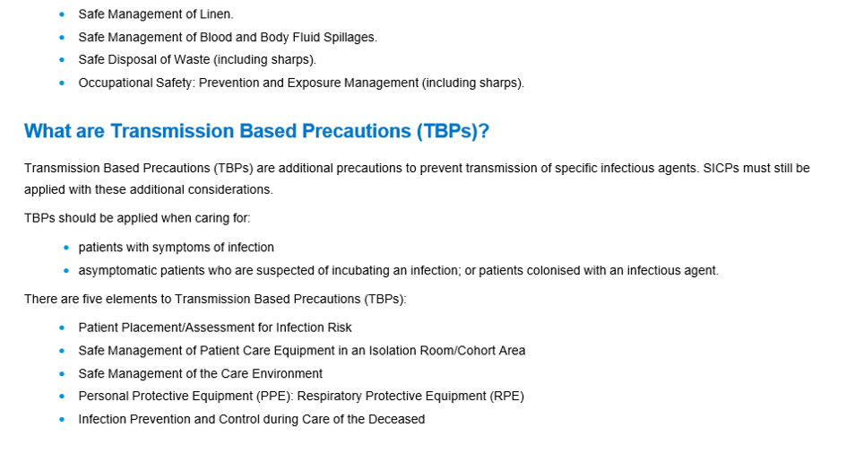

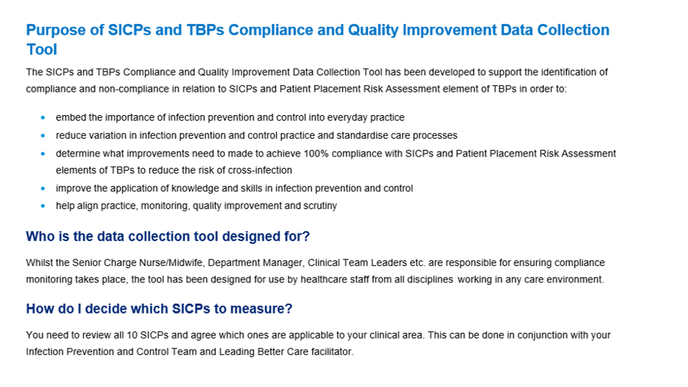

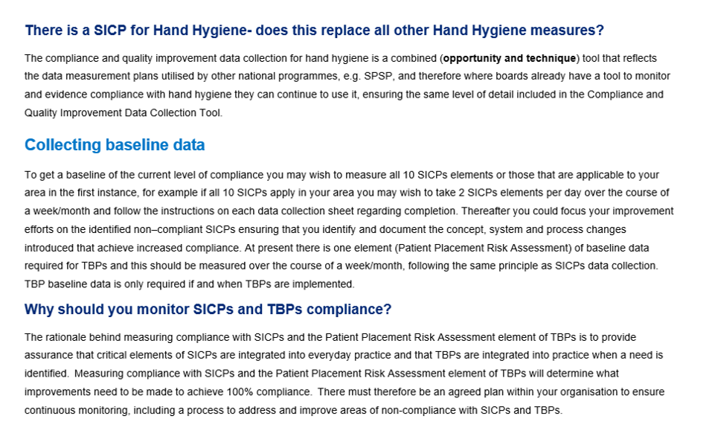

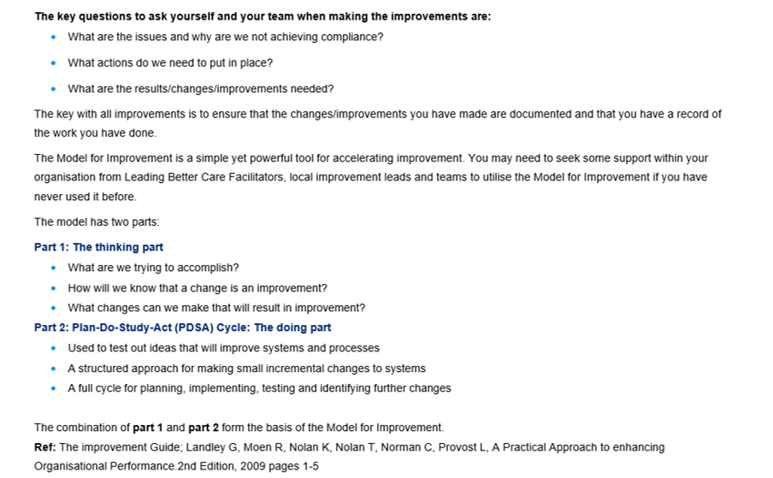

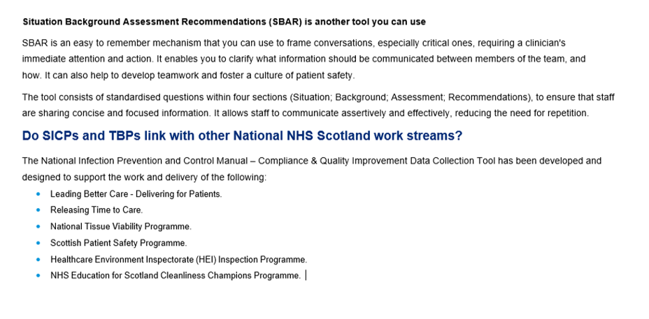

1. Patient Placement
Standard Infection Control Precautions (SICPs) Compliance & Quality Improvement Data Collection Sheet: No 1 Patient Placement
Month: | Data collected by: |  | Organisation:
Hospital/Site: | Ward/Unit/Department
Observe five patient placements per week in each clinical area [20/month]
Critical Element: Patient Placement | Observations (Denominator) | All Critical Elements met (Yes or No) (Numerator) | Record unmet critical elements i.e.: 1 and/or 2 | Record Quality Improvement Action taken/planned for all unmet critical elements
1. The infection risks from patients are assessed pre patient placement in the care environment i.e.:
- Patients who have symptoms/signs
suggestive of an infection that could be
transmitted from patient-to-patient are
identified and isolated on arrival to the
care environment
2. Patient placement is continuously reviewed i.e.:
- Patient who develops symptoms/signs
suggestive of an infection that could be
transmitted from patient-to-patient then there is an isolation patient placement assessment, e.g. Patient A develops diarrhoea, 4 days after starting antibiotics, whilst a specimen result is awaited, the patient is isolated.
- Patients who are isolated are assessed
for isolation discontinuation based on
results from the microbiology lab,
current symptoms and discussions with
the (IPCN).

 | 1
 | 2
 | 3
 | 4
 | 5
 | 6
 | 7
 | 8
 | 9
 | 10
 | 11
 | 12
 | 13
 | 14
 | 15
 | 16
 | 17
 | 18
 | 19
 | 20
Monthly Compliance Rate is calculated by: Numerator (total Yes) ÷ Denominator (total No of observations i.e. 20) x 100 |  | 0 | Monthly Compliance Rate = | 0%

2. Hand Hygiene
Standard Infection Control Precautions (SICPs) Compliance & Quality Improvement Data Collection Sheet: No 2 Hand Hygiene
Month: | Data collected by: |  |  |  | Organisation:
Hospital/Site: |  |  | Ward / Unit/ Department:

Observe five staff members hand hygiene performance per week in your area [20/month]

OPPORTUNITY
Hand hygiene should be carried out by clinical staff:
1. Before touching a patient
2. Before clean/aseptic procedures
3. After body fluid exposure risk
4. After touching a patient
5. After touching patient/immediate surroundings
PROCEDURE
In order to carry out effective hand hygiene (using soap & water) the following 5 elements are required:
1. Exposed forearms; remove all hand/wrist jewellery
(a single, plain metal ring is permitted); finger nails
must be clean and short and artificial nails or nail
products must not be worn; all cuts/abrasions
should be covered with a waterproof dressing.
2. Wet the hands prior to applying liquid soap
3. Ensure the soap & water covers all surfaces of the
hands
4. Effectively rinse and dry hands using paper towels
5. Dispose of the paper towels without re-
contaminating hands
In order to carry out effective hand hygiene (using Hand Rubs ) dispensers should be as near to the patient as possible & the following 3 components are required:
6. Exposed forearms; remove all hand/wrist jewellery –
(a single, plain metal ring is permitted); finger nails
must be clean and short and artificial nails or nail
products must not be worn; all cuts/abrasions
should be covered with a waterproof dressing.
7. Apply hand rub
8. Rub the hands together until they are dry – ensure the
hand rub covers all surfaces of the hands.
Critical Element: Hand Hygiene | Observation (Denominator) | Staff Group | Opportunity taken (Yes or No) (Numerator*) | Record missed opportunity critical elements i.e.: 1, 2, 3, 4 or 5 | All critical elements met for hand hygiene procedure (Yes or No) (Numerator*) | Record missed critical elements i.e.: 1-5 or 6-8 | Record Quality Improvement Action taken/planned for all unmet critical elements
 |  | 1. Nursing
 |  | 2. Medical
 |  | 3. AHPs
 |  | 4. Other (please state)
 | 1
 | 2
 | 3
 | 4
 | 5
 | 6
 | 7
 | 8
 | 9
 | 10
 | 11
 | 12
 | 13
 | 14
 | 15
 | 16
 | 17
 | 18
 | 19
 | 20
Monthly Compliance Rate is calculated by: Numerator* (total Yes) ÷ Denominator (total No of observations i.e 20) x 100 |  |  | 0 |  |  | Monthly Compliance Rate = | 0%

* Yes is required in both opportunity and procedure to count as numerator score.

3. Respiratory
Standard Infection Control Precautions (SICPs) Compliance & Quality Improvement Data Collection Sheet: No 3 Respiratory Hygiene/Cough Etiquette
Month: | Data collected by: |  |  |  | Organisation:
Hospital/Site: |  |  | Ward/Unit/Department:
Ask five staff members per week in each clinical area [20/month]
Critical Element: Respiratory Hygiene | Responders (Denominator) | Staff Group | All critical elements met for respiratory hygiene (Yes or No) (Numerator) | Record unmet procedure Number(s) i.e.: 1, 2, 3, 4, 5 or 6 | Record Quality Improvement Action taken/planned for all unmet critical elements
 |  | 1. Nursing
1. Ensure disposable tissues and hand
hygiene facilities available and accessible
2. Promote effective respiratory hygiene/cough
etiquette with patients (persons) in care
areas
3. Cover the nose and mouth with a
disposable tissue when sneezing,
coughing, wiping and blowing the nose
4. Dispose of all used tissues promptly into a
waste bin
5. Wash hands with non-antimicrobial liquid
soap and water after coughing, sneezing,
using tissues, or after contact with
respiratory secretions or objects
contaminated by these secretions; and
6. Keep contaminated hands away from the
mucous membranes of the eyes and nose
.
 |  | 2. Medical
 |  | 3. AHPs
 |  | 4. Other (please state)
 | 1
 | 2
 | 3
 | 4
 | 5
 | 6
 | 7
 | 8
 | 9
 | 10
 | 11
 | 12
 | 13
 | 14
 | 15
 | 16
 | 17
 | 18
 | 19
 | 20
Monthly Compliance Rate is calculated by: Numerator (total Yes) ÷ Denominator (total No of observations i.e. 20) x 100 |  | 0 | Monthly Compliance Rate = |  | 0%

4. PPE
Standard Infection Control Precautions (SICPs) Compliance & Quality Improvement Data Collection Sheet: No 4 Personal Protective Equipment
Month: | Data collected by: |  |  |  | Organisation:
Hospital/Site: |  |  | Ward / Unit/ Department:
Observe five staff members per week in each clinical area [20/month]
Critical Element: Personal Protective Equipment | Observation (Denominator) | Staff Group | All critical elements met with task/procedure undertaken e.g. bed making/changing, venepuncture, wound dressing (state procedure/task) (Yes or No) (Numerator) | Record unmet critical elements in accordance with task/procedure observed i.e 1 - 14 | Record Quality Improvement Action taken/planned for all unmet critical elements
 |  | 1. Nursing
1. Select correct Personal Protective Equipment (PPE)
for procedure or task
2. Safely put on and remove PPE
All PPE should be:
3. Located close to the point of use
4. Stored to prevent contamination in a clean/dry area
5. Disposed of (decontaminated only if reusable
between each use) following use.
Gloves must be:
6. Worn when exposure to blood and/or body fluids
may occur
7. Changed immediately after each patient (person)
and/or following completion of a procedure or task
8. Changed if a perforation or puncture is suspected
9. Appropriate for use, fit for purpose and well fitting to
avoid excessive sweating and interference with
dexterity
Aprons must be:
10. Worn to protect uniform or clothes when
contamination is likely
11. Changed between patients (persons) and/or
following completion of a procedure or task
Eye/face protection (including full face visors) should be:
12. Worn if there is a risk of blood and/or body fluid
contamination to the eyes. (Regular corrective
spectacles are not adequate eye protection)
Surgical face mask should be:
13. Worn if a risk of splashing or spraying of blood,
body fluids, secretions or excretions onto the
respiratory mucosa is anticipated/likely
Footwear should be:
14. Non-slip; clean and well maintained; and support
and cover the entire foot to avoid contamination
with blood or other body fluids or potential injury
from sharps
 |  | 2. Medical
 |  | 3. AHPs
 |  | 4. Other (please state)
 | 1
 | 2
 | 3
 | 4
 | 5
 | 6
 | 7
 | 8
 | 9
 | 10
 | 11
 | 12
 | 13
 | 14
 | 15
 | 16
 | 17
 | 18
 | 19
 | 20
Monthly Compliance Rate is calculated by: Numerator (total Yes) ÷ Denominator (total No of observations i.e. 20) x 100 |  | 0 | Monthly Compliance Rate = |  | 0%

5. Patient Care Equipment
Standard Infection Control Precautions (SICPs) Compliance & Quality Improvement Data Collection Sheet: No 5 Management of non-invasive, reusable, shared care equipment.
Month: | Data collected by: |  |  |  | Organisation:
Hospital/Site: |  |  | Ward/Unit/Department:
Observe five staff per week in each clinical area [20/month]
Critical Element: Reusable Patient Care Equipment | Observation (Denominator) | Staff Group | All critical elements met in accordance with decontamination procedure (Yes or No) (Numerator) | Record missed critical elements in accordance with decontamination procedure i.e.: 1/2-4/5-7 | Record Quality Improvement Action taken/planned for all missed critical elements
 |  | 1. Nursing
1. Any products should be prepared and used according to manufacturer instructions including chemical concentration, application style and contact time, whilst considering the specific equipment manufacturers instructions.
Between use:
2. Decontaminate equipment with disposable
cloths/paper towel and a fresh solution of
general purpose detergent and water or
detergent impregnated wipes.
If equipment contaminated with blood:
3. Immediately decontaminate equipment with disposable cloths/paper roll with detergent followed by a disinfectant solution, or by using a combined detergent and disinfectant product.
4. Appropriate steps, including rinsing and drying, should be taken to remove residues of disinfectant agents
If equipment contaminated with urine/vomit/faeces or used on a patient with a known or suspected colonisation/infection:
6. Decontaminate equipment with disposable cloths/paper roll with detergent followed by a disinfectant solution, or by using a combined detergent and disinfectant product.
7. Appropriate steps, including rinsing and drying, should be taken to remove residues of disinfectant agents.
 |  | 2. Medical
 |  | 3. AHPs
 |  | 4. Other (please state)
 | 1
 | 2
 | 3
 | 4
 | 5
 | 6
 | 7
 | 8
 | 9
 | 10
 | 11
 | 12
 | 13
 | 14
 | 15
 | 16
 | 17
 | 18
 | 19
 | 20
Monthly Compliance Rate is calculated by: Numerator (total Yes) ÷ Denominator (total No of observations i.e. 20) x 100 |  | 0 | Monthly Compliance Rate = |  | 0%

6. Environment
Standard Infection Control Precautions (SICPs) Compliance & Quality Improvement Data Collection Sheet: No 6 Control of the Environment
Month: | Data collected by: |  |  |  | Organisation:
Hospital/Site: |  |  | Ward / Unit/ Department:
Observe five areas per week in each clinical area [20/month]
Critical Element: Control of the Environment | Observation (Denominator) | Which parts are of the clinical area were observed? e.g. patient room, toilet, treatment room, sluice | All critical elements met? (Yes or No) (Numerator) | Record unmet critical elements i.e.: 1, 2 and/or 3 | Record Quality Improvement Action taken/planned for unmet critical elements
The Environment is:
1. Free from clutter
2. Well maintained and in a good state of
repair
3. Clean and routinely cleaned in accordance
with the national cleaning specification

 | 1
 | 2
 | 3
 | 4
 | 5
 | 6
 | 7
 | 8
 | 9
 | 10
 | 11
 | 12
 | 13
 | 14
 | 15
 | 16
 | 17
 | 18
 | 19
 | 20
Monthly Compliance Rate is calculated by: Numerator (total Yes) ÷ Denominator (total No of observations i.e. 20) x 100 |  | 0 | Monthly Compliance Rate = |  | 0%

7. Linen
Standard Infection Control Precautions (SICPs) Compliance & Quality Improvement Data Collection Sheet: No 7 Safe Management of Linen
Month: | Data collected by: |  |  |  | Organisation:
Hospital/Site: |  |  | Ward / Unit/ Department:

Observe five linen procedures per week in each clinical area [20/month]

Critical Element: Management of Linen | Observations (Denominator) | All critical elements met (Yes or No) (Numerator) | Record unmet critical elements i.e.: 1-6 or 1& 7-10 | Record Quality Improvement Action taken/planned for all missed critical elements
1. Minimise handling of used and infectious
linen
For all used linen
2. A laundry receptacle is available as close
as possible to the point of use for
immediate linen disposal.
Used linen is not:
3. Rinsed/separated/shaken or sorted on
removal from beds
4. Placed on the floor or any other surfaces
e.g. a locker/table top
5. Re-handled once bagged
6. Laundry receptacles are not overfilled
For all infectious linen i.e.:
7. Linen that has been used by a patient who
is known or suspected to be infectious;
and/or
8. Linen that is contaminated with blood and/or
other body fluids e.g. faeces which is not
considered to be from an infectious patient:
9. Placed directly into a water-soluble/alginate
bag and secure; then place into a clear
plastic bag and secure before placing in a
laundry receptacle; or 10. Dispose of as
healthcare waste if the item(s) is heavily
soiled and unlikely to be fit for reuse
following laundering.

 | 1
 | 2
 | 3
 | 4
 | 5
 | 6
 | 7
 | 8
 | 9
 | 10
 | 11
 | 12
 | 13
 | 14
 | 15
 | 16
 | 17
 | 18
 | 19
 | 20
Monthly Compliance Rate is calculated by: Numerator (total Yes) ÷ Denominator (total No of observations i.e. 20) x 100 |  | 0 | Monthly Compliance Rate = | 0%

8. Blood & Body Fluid Spillages
Standard Infection Control Precautions (SICPs) Compliance & Quality Improvement Data Collection Sheet: No 8 Management of Blood & Body Fluid Spillages
Month: | Data collected by: |  |  |  | Organisation:
Hospital/Site: |  |  | Ward / Unit/ Department:

Ask five staff members per week in each clinical area [20/month]

All spillages
1. Clean up all blood and body fluid spills
immediately
2. Use correct equipment and follow correct
procedure
Blood spillages:
3. Apply chlorine releasing granules directly to
the spill or place disposable paper towels
over the spillage to absorb and contain it
applying a solution of 10,000 ppm
available chlorine to the towels
4. Follow Manufacturers instructions on contact
time, usually three minutes
5. Clear the area using disposable towels and
discard as healthcare waste
6. Clean the area with disposable paper towels
and a solution of general purpose neutral
detergent
7. Rinse and dry
Non blood spills e.g. urine/vomit/faecal spillages:
8. Remove any gross contamination with
disposable paper towels and dispose as
healthcare waste
9. Disinfect the area with 1,000 ppm
available chlorine
10. Clean the area with disposable paper towels
and a solution of general purpose neutral
detergent
11. Rinse and dry
Critical Element: Blood & Body Fluid Spills | Responder (Denominator) | Staff Group | All critical elements correctly stated / described? (Yes or No) (Numerator) | Record missed critical elements i.e.: 1-7 or 1 & 2 & 8-12 | Record Quality Improvement Action taken/planned for all missed critical elements
 |  | 1. Nursing
 |  | 2. Medical
 |  | 3. AHPs
 |  | 4. Other (please state)
 | 1
 | 2
 | 3
 | 4
 | 5
 | 6
 | 7
 | 8
 | 9
 | 10
 | 11
 | 12
 | 13
 | 14
 | 15
 | 16
 | 17
 | 18
 | 19
 | 20
Monthly Compliance Rate is calculated by: Numerator (total Yes) ÷ Denominator (total No of observations i.e. 20) x 100 |  | 0 | Monthly Compliance Rate = |  | 0%

9. Safe Disposal of Waste
Standard Infection Control Precautions (SICPs) Compliance & Quality Improvement Data Collection Sheet: No 9 Safe disposal of waste
Month: | Data collected by: |  |  |  | Organisation:
Hospital/Site: |  |  | Ward / Unit/ Department:

Observe five healthcare waste receptacles per week in each clinical area [20/month]

1. Ensure correct healthcare
(including clinical) waste disposal/
segregation
Always dispose of waste:
2. Immediately and as close to the point of
use as possible
3. Into the correct segregated colour coded
UN 3291 approved waste bag (either
orange/yellow for healthcare waste or black
for domestic); OR
4. Into approved sharps waste box which must
be no more that 3/4 full
5. Liquid waste e.g. blood, must be rendered
safe by adding a self setting gel or
compound before being placed in the sack
or managed as a body fluid spill
6. Bags must be no more than 3/4 full
or more than 4kgs in weight
7. Use a ratchet tag (for healthcare waste
bags only) with a ‘swan neck’ to close
or label (for sharps waste boxes) with point
of origin and date of closure.
Critical Element: Waste Disposal | Responder / Observation (Denominator) | Staff Group | All critical elements met (Yes or No) (Numerator) | Record unmet critical elements i.e.: 1-7 | Record Quality Improvement Action taken/planned for all unmet critical elements
 |  | 1. Nursing
 |  | 2. Medical
 |  | 3. AHPs
 |  | 4. Other (please state)
 | 1
 | 2
 | 3
 | 4
 | 5
 | 6
 | 7
 | 8
 | 9
 | 10
 | 11
 | 12
 | 13
 | 14
 | 15
 | 16
 | 17
 | 18
 | 19
 | 20
Monthly Compliance Rate is calculated by: Numerator (total Yes) ÷ Denominator (total No of observations i.e. 20) x 100 |  | 0 | Monthly Compliance Rate = |  | 0%

10. Occupational Exposure
Standard Infection Control Precautions (SICPs) Compliance & Quality Improvement Data Collection Sheet: No 10 Occupational Exposure Management
Month: | Data collected by: |  |  |  | Organisation:
Hospital/Site: |  |  | Ward/Unit/Department:

Ask five staff staff members per week in your area [20/month]

1. Follow correct procedure when a significant occupational exposure incident occurs
Immediate actions
Skin/tissue exposure:
2. Encourage the injured area to bleed (do not
suck)
3. Wash/irrigate with warm running water and
soap (do not scrub the area)
4. Cover with a waterproof dressing
Eye/mouth exposure:
5. Rinse/irrigate copiously with water (use
eye/mouth wash kits if available)
6. If contact lenses are worn remove before
irrigating the eye
7. Do not swallow water used for muco-
cutaneous rinsing
Report/document all incidents and take any
corrective actions
Critical Element | Responder (Denominator) | Staff Group | All critical elements correctly stated / described? (Yes or No) (Numerator) | Record unmet procedure Number (s) i.e.: 1, 2, 3, 4, 5, 6 or 7 | Record Quality Improvement Action taken/planned for all unmet critical elements
 |  | 1. Nursing
 |  | 2. Medical
 |  | 3. AHPs
 |  | 4. Other (please state)
 | 1
 | 2
 | 3
 | 4
 | 5
 | 6
 | 7
 | 8
 | 9
 | 10
 | 11
 | 12
 | 13
 | 14
 | 15
 | 16
 | 17
 | 18
 | 19
 | 20
Monthly Compliance Rate is calculated by: Numerator (total Yes) ÷ Denominator (total No of observations i.e. 20) x 100 |  | 0 | Monthly compliance rate = |  | 0%

TBP - Patient Placement
Transmission Based Precautions (TBPs) Compliance & Quality Improvement Data Collection Sheet: Patient Placement Risk Assessment
Month: | Data collected by: |  |  |  | Organisation:
Hospital/Site: |  |  | Ward/Unit/Department:

Ask five staff staff members per week in your area [20/month]

1. Patients who are known or suspected to be infected with infectius agents/conditions spread by contact or droplet are placed in isolation suite/single room/cohort area (if multiple cass of the same infection.
2, Patients who are known or suspected to be infected with infectious agents/conditions spread by airborne route are assessed for specialised negative pressure room.
3, Patient placement decisions are documented in the patient records.
4. The single room/cohort area door is closed unless contraindicated by risk assessment.
5. Personal Protective Equipment is available at the point of care and ready for use.
Critical Element | Responder (Denominator) | Staff Group | All critical elements correctly stated / described? (Yes or No) (Numerator) | Record unmet procedure Number (s) i.e.: 1, 2, 3, 4, 5, 6 or 7 | Record Quality Improvement Action taken/planned for all unmet critical elements
 |  | 1. Nursing
 |  | 2. Medical
 |  | 3. AHPs
 |  | 4. Other (please state)
 | 1
 | 2
 | 3
 | 4
 | 5
 | 6
 | 7
 | 8
 | 9
 | 10
 | 11
 | 12
 | 13
 | 14
 | 15
 | 16
 | 17
 | 18
 | 19
 | 20
Monthly Compliance Rate is calculated by: Numerator (total Yes) ÷ Denominator (total No of observations i.e. 20) x 100 |  | 0 | Monthly compliance rate = |  | 0%

*If any of the 5 critical elements are not met then evidence of risk assessment/deviations must be documented daily in patient records.

